Sheet2
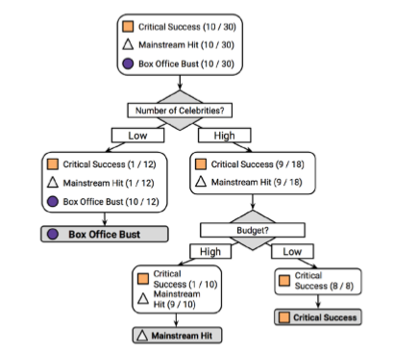
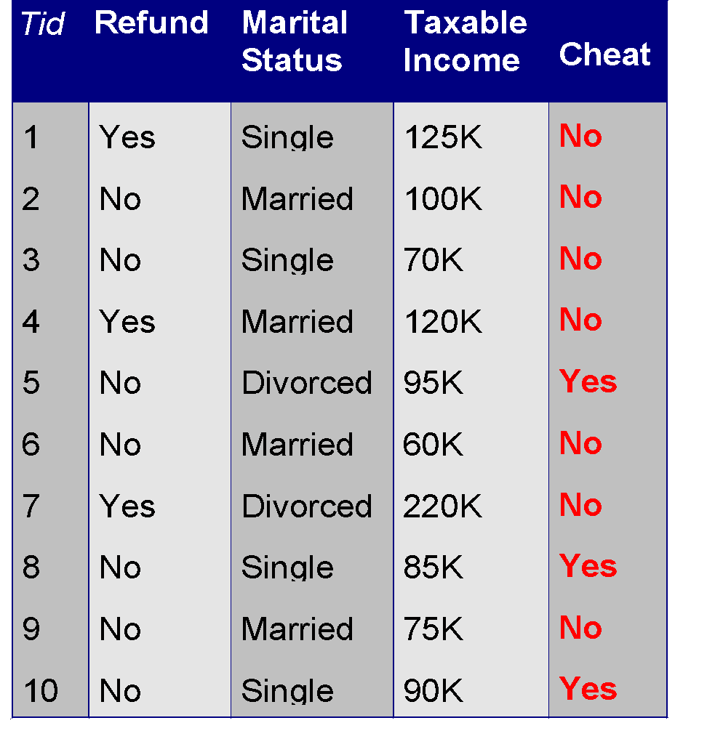
 | Root Node
 | Refund
1st Node |  | 2nd Node
3 Refund = Yes |  | 7 Refund= No
3 Cheat = No |  | 3 Cheat=Yes, 4 Cheat=No

 | Refund=No, Married = Yes |  | Refund=No, Married = No
 | 3 Married |  | 3 Cheat=Yes, 1 Cheat No
 | 3 Cheat=No

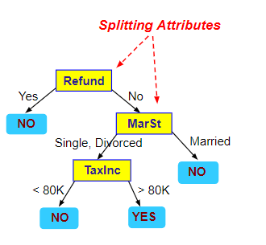

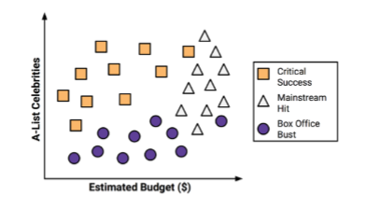

 |  |  |  | 2
 |  |  |  | 3
 |  |  |  | 4
 |  |  |  | 1
 |  |  |  | 2

Sheet1 (2)
 |  |  |  | Split 1 |  |  |  |  |  | Split 2 |  |  |  |  |  | Split 3
 | Price ($) | Review Scores Rating |  | Price | Review Scores Rating | RSS | Price | Review Scores Rating | RSS | Price | Review Scores Rating | RSS | Price | Review Scores Rating | RSS | Price | Review Scores Rating | RSS | Price | Review Scores Rating | RSS
0 | 10 | 10 |  | 10 | 10 | 0 | 11 | 10 | 2622.5180055 | 10 | 10 | 0 | 12 | 10 | 2922.0030864 | 10 | 10 | 0 | 13 | 10 | 3275.8788927
1 | 11 | 10 |  |  |  |  | 12 | 10 | 2622.5180055 | 11 | 10 | 0 | 13 | 10 | 2922.0030864 | 11 | 10 | 0 | 14 | 13 | 2941.467128
2 | 12 | 10 |  |  |  |  | 13 | 10 | 2622.5180055 |  |  |  | 14 | 13 | 2606.6697531 | 12 | 10 | 0 | 15 | 20 | 2231.1730104
3 | 13 | 10 |  |  |  |  | 14 | 13 | 2324.2548476 |  |  |  | 15 | 20 | 1940.8919753 |  |  |  | 17.5 | 35 | 1039.1141869
4 | 14 | 13 |  |  |  |  | 15 | 20 | 1698.3074792 |  |  |  | 17.5 | 35 | 844.22530864 |  |  |  | 18 | 44 | 539.87889273
5 | 15 | 20 |  |  |  |  | 17.5 | 35 | 686.99168975 |  |  |  | 18 | 44 | 402.22530864 |  |  |  | 18.5 | 52 | 232.11418685
6 | 17.5 | 35 |  |  |  |  | 18 | 44 | 296.20221607 |  |  |  | 18.5 | 52 | 145.33641975 |  |  |  | 19 | 55 | 149.70242215
7 | 18 | 44 |  |  |  |  | 18.5 | 52 | 84.833795014 |  |  |  | 19 | 55 | 82.00308642 |  |  |  | 21 | 80 | 162.93771626
8 | 18.5 | 52 |  |  |  |  | 19 | 55 | 38.570637119 |  |  |  | 21 | 80 | 254.22530864 |  |  |  | 22 | 83 | 248.52595156
9 | 19 | 55 |  |  |  |  | 21 | 80 | 353.04432133 |  |  |  | 22 | 83 | 358.89197531 |  |  |  | 23 | 83 | 248.52595156
10 | 21 | 80 |  |  |  |  | 22 | 83 | 474.78116343 |  |  |  | 23 | 83 | 358.89197531 |  |  |  | 24 | 83 | 248.52595156
11 | 22 | 83 |  |  |  |  | 23 | 83 | 474.78116343 |  |  |  | 24 | 83 | 358.89197531 |  |  |  | 25 | 85 | 315.58477509
12 | 23 | 83 |  |  |  |  | 24 | 83 | 474.78116343 |  |  |  | 25 | 85 | 438.66975309 |  |  |  | 28 | 100 | 1073.5259516
13 | 24 | 83 |  |  |  |  | 25 | 85 | 565.93905817 |  |  |  | 28 | 100 | 1292.0030864 |  |  |  | 29 | 100 | 1073.5259516
14 | 25 | 85 |  |  |  |  | 28 | 100 | 1504.6232687 |  |  |  | 29 | 100 | 1292.0030864 |  |  |  | 30 | 100 | 1073.5259516
15 | 28 | 100 |  |  |  |  | 29 | 100 | 1504.6232687 |  |  |  | 30 | 100 | 1292.0030864 |  |  |  | 31 | 100 | 1073.5259516
16 | 29 | 100 |  |  |  |  | 30 | 100 | 1504.6232687 |  |  |  | 31 | 100 | 1292.0030864 |  |  |  | 31 | 100 | 1073.5259516
17 | 30 | 100 |  |  |  |  | 31 | 100 | 1504.6232687 |  |  |  | 31 | 100 | 1292.0030864
18 | 31 | 100 |  |  |  |  | 31 | 100 | 1504.6232687
19 | 31 | 100 |  |  | 10 | 0 |  | 61.210526316 | 22863.157895 |  | 10 | 0 |  | 64.055555556 | 20094.944444 | 11 | 10 | 0 | 22.294117647 | 67.235294118 | 17001.058824

 |  |  |  |  |  |  | RSS=

 |  |  |  |  |  | RSS (Residual Sum of Squares)
 |  |  |  |  | 10 | 22863.157895
 |  |  |  |  | 11 | 20094.944444
 |  |  |  |  | 12 | 17001.058824
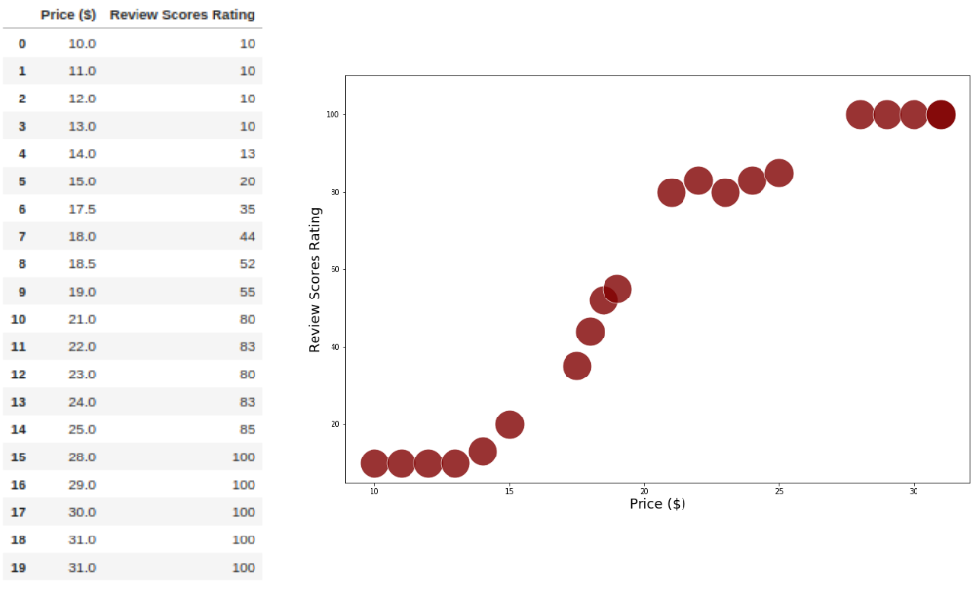

 | Price ($) | Review Scores Rating |  | Split 1 |  |  |  |  |  | Split 1
0 | 10 | 10 |  | Price | Review Scores Rating | RSS | Price | Review Scores Rating | RSS | Price | Review Scores Rating | RSS | Price | Review Scores Rating | RSS
1 | 11 | 10 |  | 10 | 10 | 0 | 11 | 10 | 203.0625 | 10 | 10 | 0 | 12 | 10 | 265.2244898
2 | 12 | 10 |  |  |  |  | 12 | 10 | 203.0625 | 11 | 10 | 0 | 13 | 10 | 265.2244898
3 | 13 | 10 |  |  |  |  | 13 | 10 | 203.0625 |  |  |  | 14 | 13 | 176.51020408
4 | 14 | 13 |  |  |  |  | 14 | 13 | 126.5625 |  |  |  | 15 | 20 | 39.510204082
5 | 15 | 20 |  |  |  |  | 15 | 20 | 18.0625 |  |  |  | 17.5 | 35 | 75.93877551
6 | 17.5 | 35 |  |  |  |  | 17.5 | 35 | 115.5625 |  |  |  | 18 | 44 | 313.79591837
7 | 18 | 44 |  |  |  |  | 18 | 44 | 390.0625 |  |  |  | 18.5 | 52 | 661.2244898
8 | 18.5 | 52 |  |  |  |  | 18.5 | 52 | 770.0625
 |  |  |  |  | 10 | 0 |  | 24.25 | 2029.5 |  | 10 | 0 |  | 26.285714286 | 1797.4285714
 | Price ($) | Review Scores Rating
9 | 19 | 55
10 | 21 | 80
11 | 22 | 83
12 | 23 | 83
13 | 24 | 83
14 | 25 | 85
15 | 28 | 100
16 | 29 | 100
17 | 30 | 100
18 | 31 | 100
19 | 31 | 100

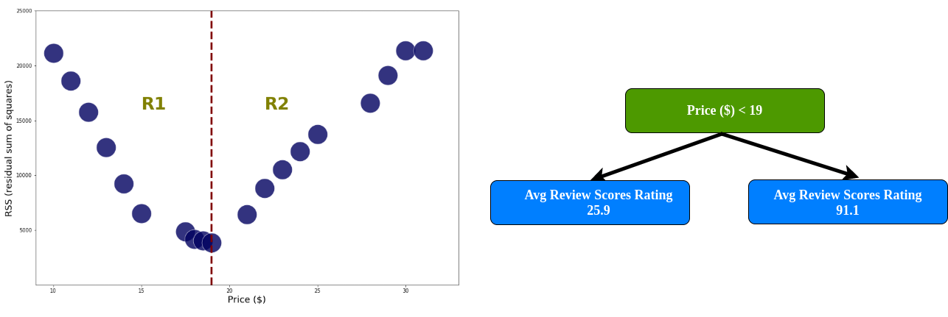

1st Iteration | 2nd Iteration | Price ($) | Review Scores Rating
Left Node |  | 10 | 10
 |  | 11 | 10
 |  | 12 | 10
 |  | 13 | 10
 |  | 14 | 13
 |  | 15 | 20
 |  | 17.5 | 35
 |  | 18 | 44
 |  | 18.5 | 52
 |  | 19 | 55
Right Node |  | 21 | 80
 |  | 22 | 83
 |  | 23 | 83
 |  | 24 | 83
 |  | 25 | 85
 |  | 28 | 100
 |  | 29 | 100
 |  | 30 | 100
 |  | 31 | 100
 |  | 31 | 100


1st Iteration | 2nd Iteration | Price ($) | Review Scores Rating
Left Node | Left Node | 10 | 10
 |  | 11 | 10
 |  | 12 | 10
 |  | 13 | 10
 |  | 14 | 13
 |  | 15 | 20
 | Right Node | 17.5 | 35
 |  | 18 | 44
 |  | 18.5 | 52
 |  | 19 | 55
Right Node | Left Node | 21 | 80
 |  | 22 | 83
 |  | 23 | 83
 |  | 24 | 83
 |  | 25 | 85
 | Right Node | 28 | 100
 |  | 29 | 100
 |  | 30 | 100
 |  | 31 | 100
 |  | 31 | 100

 |  | Price ($) | Review Scores Rating |  |  | Price ($) | Review Scores Rating
 | 0 | 10 | 10 |  | 10 | 21 | 80
 | 1 | 11 | 10 |  | 11 | 22 | 83
 | 2 | 12 | 10 |  | 12 | 23 | 83
 | 3 | 13 | 10 |  | 13 | 24 | 83
 | 4 | 14 | 13 |  | 14 | 25 | 85
 | 5 | 15 | 20 |  | 15 | 28 | 100
 | 6 | 17.5 | 35 |  | 16 | 29 | 100
 | 7 | 18 | 44 |  | 17 | 30 | 100
 | 8 | 18.5 | 52 |  | 18 | 31 | 100
 | 9 | 19 | 55 |  | 19 | 31 | 100

Sr No. | Price ($) | Review Scores Rating |  | Split 1 |  |  |  |  |  | Split 2 |  |  |  |  |  | Split 3 |  |  |  |  |  | Split 4 |  |  |  |  |  | Split 5 |  |  |  |  |  | Split 5 |  |  |  |  |  | Split 5 |  |  |  |  |  | Split 5 |  |  |  |  |  | Split 5 |  |  |  |  |  | Split 5 |  |  |  |  |  | Split 5 |  |  |  |  |  | Split 5 |  |  |  |  |  | Split 5 |  |  |  |  |  | Split 5 |  |  |  |  |  | Split 5 |  |  |  |  |  | Split 5 |  |  |  |  |  | Split 5 |  |  |  |  |  | Split 5 |  |  |  |  |  | Split 5
0 | 10 | 10 |  | Price | Ratings | RSS | Price | Ratings | RSS | Price | Ratings | RSS | Price | Ratings | RSS | Price | Ratings | RSS | Price | Ratings | RSS | Price | Ratings | RSS | Price | Ratings | RSS | Price | Ratings | RSS | Price | Ratings | RSS | Price | Ratings | RSS | Price | Ratings | RSS | Price | Ratings | RSS | Price | Ratings | RSS | Price | Ratings | RSS | Price | Ratings | RSS | Price | Ratings | RSS | Price | Ratings | RSS | Price | Ratings | RSS | Price | Ratings | RSS | Price | Ratings | RSS | Price | Ratings | RSS | Price | Ratings | RSS | Price | Ratings | RSS | Price | Ratings | RSS | Price | Ratings | RSS | Price | Ratings | RSS | Price | Ratings | RSS | Price | Ratings | RSS | Price | Ratings | RSS | Price | Ratings | RSS | Price | Ratings | RSS | Price | Ratings | RSS | Price | Ratings | RSS | Price | Ratings | RSS | Price | Ratings | RSS | Price | Ratings | RSS | Price | Ratings | RSS
1 | 11 | 10 |  | 10 | 10 | 0 | 11 | 10 | 2622.5180055 | 10 | 10 | 0 |  |  |  | 10 | 10 | 0 |  |  |  | 10 | 10 | 0 |  |  |  | 10 | 10 | 0.36 |  |  |  | 10 | 10 | 4.6944444444 |  |  |  | 10 | 10 | 29.469387755 |  |  |  | 10 | 10 | 81 |  |  |  | 10 | 10 | 160.44444444 |  |  |  | 10 | 10 | 252.81 |  |  |  | 10 | 10 | 433.39669421 |  |  |  | 10 | 10 | 633.36111111 |  |  |  | 10 | 10 | 832.10059172 |  |  |  | 10 | 10 | 1024 |  |  |  | 10 | 10 | 1215.6844444 |  |  |  | 10 | 10 | 1467.8476562 |  |  |  | 10 | 10 | 1710.0657439 |  |  |  | 10 | 10 | 1940.8919753 |  |  |  | 10 | 10 | 2159.8033241
2 | 12 | 10 |  |  |  |  | 12 | 10 | 2622.5180055 | 11 | 10 | 0 | 12 | 10 | 2922.0030864 | 11 | 10 | 0 |  |  |  | 11 | 10 | 0 |  |  |  | 11 | 10 | 0.36 |  |  |  | 11 | 10 | 4.6944444444 |  |  |  | 11 | 10 | 29.469387755 |  |  |  | 11 | 10 | 81 |  |  |  | 11 | 10 | 160.44444444 |  |  |  | 11 | 10 | 252.81 |  |  |  | 11 | 10 | 433.39669421 |  |  |  | 11 | 10 | 633.36111111 |  |  |  | 11 | 10 | 832.10059172 |  |  |  | 11 | 10 | 1024 |  |  |  | 11 | 10 | 1215.6844444 |  |  |  | 11 | 10 | 1467.8476562 |  |  |  | 11 | 10 | 1710.0657439 |  |  |  | 11 | 10 | 1940.8919753 |  |  |  | 11 | 10 | 2159.8033241
3 | 13 | 10 |  |  |  |  | 13 | 10 | 2622.5180055 |  |  |  | 13 | 10 | 2922.0030864 | 12 | 10 | 0 | 13 | 10 | 3275.8788927 | 12 | 10 | 0 |  |  |  | 12 | 10 | 0.36 |  |  |  | 12 | 10 | 4.6944444444 |  |  |  | 12 | 10 | 29.469387755 |  |  |  | 12 | 10 | 81 |  |  |  | 12 | 10 | 160.44444444 |  |  |  | 12 | 10 | 252.81 |  |  |  | 12 | 10 | 433.39669421 |  |  |  | 12 | 10 | 633.36111111 |  |  |  | 12 | 10 | 832.10059172 |  |  |  | 12 | 10 | 1024 |  |  |  | 12 | 10 | 1215.6844444 |  |  |  | 12 | 10 | 1467.8476562 |  |  |  | 12 | 10 | 1710.0657439 |  |  |  | 12 | 10 | 1940.8919753 |  |  |  | 12 | 10 | 2159.8033241
4 | 14 | 13 |  |  |  |  | 14 | 13 | 2324.2548476 |  |  |  | 14 | 13 | 2606.6697531 |  |  |  | 14 | 13 | 2941.467128 | 13 | 10 | 0 | 14 | 13 | 3342.2851562 | 13 | 10 | 0.36 |  |  |  | 13 | 10 | 4.6944444444 |  |  |  | 13 | 10 | 29.469387755 |  |  |  | 13 | 10 | 81 |  |  |  | 13 | 10 | 160.44444444 |  |  |  | 13 | 10 | 252.81 |  |  |  | 13 | 10 | 433.39669421 |  |  |  | 13 | 10 | 633.36111111 |  |  |  | 13 | 10 | 832.10059172 |  |  |  | 13 | 10 | 1024 |  |  |  | 13 | 10 | 1215.6844444 |  |  |  | 13 | 10 | 1467.8476562 |  |  |  | 13 | 10 | 1710.0657439 |  |  |  | 13 | 10 | 1940.8919753 |  |  |  | 13 | 10 | 2159.8033241
5 | 15 | 20 |  |  |  |  | 15 | 20 | 1698.3074792 |  |  |  | 15 | 20 | 1940.8919753 |  |  |  | 15 | 20 | 2231.1730104 |  |  |  | 15 | 20 | 2581.9101562 | 14 | 13 | 5.76 | 15 | 20 | 2988.4444444 | 14 | 13 | 0.69444444444 |  |  |  | 14 | 13 | 5.8979591837 |  |  |  | 14 | 13 | 36 |  |  |  | 14 | 13 | 93.444444444 |  |  |  | 14 | 13 | 166.41 |  |  |  | 14 | 13 | 317.48760331 |  |  |  | 14 | 13 | 491.36111111 |  |  |  | 14 | 13 | 668.02366864 |  |  |  | 14 | 13 | 841 |  |  |  | 14 | 13 | 1015.4844444 |  |  |  | 14 | 13 | 1246.9726562 |  |  |  | 14 | 13 | 1470.9480969 |  |  |  | 14 | 13 | 1685.558642 |  |  |  | 14 | 13 | 1889.9612188
6 | 17.5 | 35 |  |  |  |  | 17.5 | 35 | 686.99168975 |  |  |  | 17.5 | 35 | 844.22530864 |  |  |  | 17.5 | 35 | 1039.1141869 |  |  |  | 17.5 | 35 | 1282.5351562 |  |  |  | 17.5 | 35 | 1573.4444444 | 15 | 20 | 61.361111111 | 17.5 | 35 | 1898.4693878 | 15 | 20 | 20.897959184 |  |  |  | 15 | 20 | 1 |  |  |  | 15 | 20 | 7.1111111111 |  |  |  | 15 | 20 | 34.81 |  |  |  | 15 | 20 | 117.03305785 |  |  |  | 15 | 20 | 230.02777778 |  |  |  | 15 | 20 | 355.17751479 |  |  |  | 15 | 20 | 484 |  |  |  | 15 | 20 | 618.35111111 |  |  |  | 15 | 20 | 801.59765625 |  |  |  | 15 | 20 | 983.00692042 |  |  |  | 15 | 20 | 1159.7808642 |  |  |  | 15 | 20 | 1330.3296399
7 | 18 | 44 |  |  |  |  | 18 | 44 | 296.20221607 |  |  |  | 18 | 44 | 402.22530864 |  |  |  | 18 | 44 | 539.87889273 |  |  |  | 18 | 44 | 718.91015625 |  |  |  | 18 | 44 | 940.44444444 |  |  |  | 18 | 44 | 1195.1836735 | 17.5 | 35 | 383.04081633 | 18 | 44 | 1438.1597633 | 17.5 | 35 | 256 |  |  |  | 17.5 | 35 | 152.11111111 |  |  |  | 17.5 | 35 | 82.81 |  |  |  | 17.5 | 35 | 17.487603306 |  |  |  | 17.5 | 35 | 0.027777777778 |  |  |  | 17.5 | 35 | 14.792899408 |  |  |  | 17.5 | 35 | 49 |  |  |  | 17.5 | 35 | 97.351111111 |  |  |  | 17.5 | 35 | 177.22265625 |  |  |  | 17.5 | 35 | 267.41868512 |  |  |  | 17.5 | 35 | 363.11419753 |  |  |  | 17.5 | 35 | 461.11911357
8 | 18.5 | 52 |  |  |  |  | 18.5 | 52 | 84.833795014 |  |  |  | 18.5 | 52 | 145.33641975 |  |  |  | 18.5 | 52 | 232.11418685 |  |  |  | 18.5 | 52 | 353.91015625 |  |  |  | 18.5 | 52 | 513.77777778 |  |  |  | 18.5 | 52 | 706.04081633 |  |  |  | 18.5 | 52 | 895.39053254 | 18 | 44 | 625 | 18.5 | 52 | 1094.5069444 | 18 | 44 | 455.11111111 |  |  |  | 18 | 44 | 327.61 |  |  |  | 18 | 44 | 173.76033058 |  |  |  | 18 | 44 | 78.027777778 |  |  |  | 18 | 44 | 26.562130178 |  |  |  | 18 | 44 | 4 |  |  |  | 18 | 44 | 0.75111111111 |  |  |  | 18 | 44 | 18.59765625 |  |  |  | 18 | 44 | 54.065743945 |  |  |  | 18 | 44 | 101.11419753 |  |  |  | 18 | 44 | 155.59279778
9 | 19 | 55 |  |  |  |  | 19 | 55 | 38.570637119 |  |  |  | 19 | 55 | 82.00308642 |  |  |  | 19 | 55 | 149.70242215 |  |  |  | 19 | 55 | 250.03515625 |  |  |  | 19 | 55 | 386.77777778 |  |  |  | 19 | 55 | 555.6122449 |  |  |  | 19 | 55 | 724.85207101 |  |  |  | 19 | 55 | 905.00694444 | 18.5 | 52 | 860.44444444 | 19 | 55 | 1095.0082645 | 18.5 | 52 | 681.21 |  |  |  | 18.5 | 52 | 448.66942149 |  |  |  | 18.5 | 52 | 283.36111111 |  |  |  | 18.5 | 52 | 173.02366864 |  |  |  | 18.5 | 52 | 100 |  |  |  | 18.5 | 52 | 50.884444444 |  |  |  | 18.5 | 52 | 13.59765625 |  |  |  | 18.5 | 52 | 0.41868512111 |  |  |  | 18.5 | 52 | 4.225308642 |  |  |  | 18.5 | 52 | 20.013850416
10 | 21 | 80 |  |  |  |  | 21 | 80 | 353.04432133 |  |  |  | 21 | 80 | 254.22530864 |  |  |  | 21 | 80 | 162.93771626 |  |  |  | 21 | 80 | 84.41015625 |  |  |  | 21 | 80 | 28.444444444 |  |  |  | 21 | 80 | 2.0408163265 |  |  |  | 21 | 80 | 3.6982248521 |  |  |  | 21 | 80 | 25.840277778 |  |  |  | 21 | 80 | 65.462809917 | 19 | 55 | 846.81 | 21 | 80 | 129.96 | 19 | 55 | 584.76033058 |  |  |  | 19 | 55 | 393.36111111 |  |  |  | 19 | 55 | 260.94674556 |  |  |  | 19 | 55 | 169 |  |  |  | 19 | 55 | 102.68444444 |  |  |  | 19 | 55 | 44.72265625 |  |  |  | 19 | 55 | 13.301038062 |  |  |  | 19 | 55 | 0.89197530864 |  |  |  | 19 | 55 | 2.1717451524
11 | 22 | 83 |  |  |  |  | 22 | 83 | 474.78116343 |  |  |  | 22 | 83 | 358.89197531 |  |  |  | 22 | 83 | 248.52595156 |  |  |  | 22 | 83 | 148.53515625 |  |  |  | 22 | 83 | 69.444444444 |  |  |  | 22 | 83 | 19.612244898 |  |  |  | 22 | 83 | 1.1597633136 |  |  |  | 22 | 83 | 4.3402777778 |  |  |  | 22 | 83 | 25.917355372 |  |  |  | 22 | 83 | 70.56 | 21 | 80 | 2418.8512397 | 22 | 83 | 93.444444444 | 21 | 80 | 2010.0277778 |  |  |  | 21 | 80 | 1693.6390533 |  |  |  | 21 | 80 | 1444 |  |  |  | 21 | 80 | 1234.3511111 |  |  |  | 21 | 80 | 1004.0976562 |  |  |  | 21 | 80 | 820.65397924 |  |  |  | 21 | 80 | 673.11419753 |  |  |  | 21 | 80 | 553.48753463
12 | 23 | 83 |  |  |  |  | 23 | 83 | 474.78116343 |  |  |  | 23 | 83 | 358.89197531 |  |  |  | 23 | 83 | 248.52595156 |  |  |  | 23 | 83 | 148.53515625 |  |  |  | 23 | 83 | 69.444444444 |  |  |  | 23 | 83 | 19.612244898 |  |  |  | 23 | 83 | 1.1597633136 |  |  |  | 23 | 83 | 4.3402777778 |  |  |  | 23 | 83 | 25.917355372 |  |  |  | 23 | 83 | 70.56 |  |  |  | 23 | 83 | 93.444444444 | 22 | 83 | 2288.0277778 | 23 | 83 | 118.265625 | 22 | 83 | 1949.5621302 |  |  |  | 22 | 83 | 1681 |  |  |  | 22 | 83 | 1454.1511111 |  |  |  | 22 | 83 | 1203.2226562 |  |  |  | 22 | 83 | 1001.5363322 |  |  |  | 22 | 83 | 837.7808642 |  |  |  | 22 | 83 | 703.64542936
13 | 24 | 83 |  |  |  |  | 24 | 83 | 474.78116343 |  |  |  | 24 | 83 | 358.89197531 |  |  |  | 24 | 83 | 248.52595156 |  |  |  | 24 | 83 | 148.53515625 |  |  |  | 24 | 83 | 69.444444444 |  |  |  | 24 | 83 | 19.612244898 |  |  |  | 24 | 83 | 1.1597633136 |  |  |  | 24 | 83 | 4.3402777778 |  |  |  | 24 | 83 | 25.917355372 |  |  |  | 24 | 83 | 70.56 |  |  |  | 24 | 83 | 93.444444444 |  |  |  | 24 | 83 | 118.265625 | 23 | 83 | 1949.5621302 | 24 | 83 | 154.46938776 | 23 | 83 | 1681 |  |  |  | 23 | 83 | 1454.1511111 |  |  |  | 23 | 83 | 1203.2226562 |  |  |  | 23 | 83 | 1001.5363322 |  |  |  | 23 | 83 | 837.7808642 |  |  |  | 23 | 83 | 703.64542936
14 | 25 | 85 |  |  |  |  | 25 | 85 | 565.93905817 |  |  |  | 25 | 85 | 438.66975309 |  |  |  | 25 | 85 | 315.58477509 |  |  |  | 25 | 85 | 201.28515625 |  |  |  | 25 | 85 | 106.77777778 |  |  |  | 25 | 85 | 41.326530612 |  |  |  | 25 | 85 | 9.4674556213 |  |  |  | 25 | 85 | 0.0069444444444 |  |  |  | 25 | 85 | 9.5537190083 |  |  |  | 25 | 85 | 40.96 |  |  |  | 25 | 85 | 58.777777778 |  |  |  | 25 | 85 | 78.765625 |  |  |  | 25 | 85 | 108.75510204 | 24 | 83 | 1681 | 25 | 85 | 156.25 | 24 | 83 | 1454.1511111 |  |  |  | 24 | 83 | 1203.2226562 |  |  |  | 24 | 83 | 1001.5363322 |  |  |  | 24 | 83 | 837.7808642 |  |  |  | 24 | 83 | 703.64542936
15 | 28 | 100 |  |  |  |  | 28 | 100 | 1504.6232687 |  |  |  | 28 | 100 | 1292.0030864 |  |  |  | 28 | 100 | 1073.5259516 |  |  |  | 28 | 100 | 851.91015625 |  |  |  | 28 | 100 | 641.77777778 |  |  |  | 28 | 100 | 459.18367347 |  |  |  | 28 | 100 | 326.77514793 |  |  |  | 28 | 100 | 222.50694444 |  |  |  | 28 | 100 | 141.82644628 |  |  |  | 28 | 100 | 73.96 |  |  |  | 28 | 100 | 53.777777778 |  |  |  | 28 | 100 | 37.515625 |  |  |  | 28 | 100 | 20.897959184 |  |  |  | 28 | 100 | 6.25 | 25 | 85 | 1610.6844444 | 28 | 100 | 0 | 25 | 85 | 1345.9726562 |  |  |  | 25 | 85 | 1132.1245675 |  |  |  | 25 | 85 | 957.55864198 |  |  |  | 25 | 85 | 813.75069252
16 | 29 | 100 |  |  |  |  | 29 | 100 | 1504.6232687 |  |  |  | 29 | 100 | 1292.0030864 |  |  |  | 29 | 100 | 1073.5259516 |  |  |  | 29 | 100 | 851.91015625 |  |  |  | 29 | 100 | 641.77777778 |  |  |  | 29 | 100 | 459.18367347 |  |  |  | 29 | 100 | 326.77514793 |  |  |  | 29 | 100 | 222.50694444 |  |  |  | 29 | 100 | 141.82644628 |  |  |  | 29 | 100 | 73.96 |  |  |  | 29 | 100 | 53.777777778 |  |  |  | 29 | 100 | 37.515625 |  |  |  | 29 | 100 | 20.897959184 |  |  |  | 29 | 100 | 6.25 |  |  |  | 29 | 100 | 0 | 28 | 100 | 2671.5976562 | 29 | 100 | 0 | 28 | 100 | 2366.5363322 |  |  |  | 28 | 100 | 2110.8919753 |  |  |  | 28 | 100 | 1894.5401662
17 | 30 | 100 |  |  |  |  | 30 | 100 | 1504.6232687 |  |  |  | 30 | 100 | 1292.0030864 |  |  |  | 30 | 100 | 1073.5259516 |  |  |  | 30 | 100 | 851.91015625 |  |  |  | 30 | 100 | 641.77777778 |  |  |  | 30 | 100 | 459.18367347 |  |  |  | 30 | 100 | 326.77514793 |  |  |  | 30 | 100 | 222.50694444 |  |  |  | 30 | 100 | 141.82644628 |  |  |  | 30 | 100 | 73.96 |  |  |  | 30 | 100 | 53.777777778 |  |  |  | 30 | 100 | 37.515625 |  |  |  | 30 | 100 | 20.897959184 |  |  |  | 30 | 100 | 6.25 |  |  |  | 30 | 100 | 0 |  |  |  | 30 | 100 | 0 | 29 | 100 | 2366.5363322 | 30 | 100 | 0 | 29 | 100 | 2110.8919753 |  |  |  | 29 | 100 | 1894.5401662
18 | 31 | 100 |  |  |  |  | 31 | 100 | 1504.6232687 |  |  |  | 31 | 100 | 1292.0030864 |  |  |  | 31 | 100 | 1073.5259516 |  |  |  | 31 | 100 | 851.91015625 |  |  |  | 31 | 100 | 641.77777778 |  |  |  | 31 | 100 | 459.18367347 |  |  |  | 31 | 100 | 326.77514793 |  |  |  | 31 | 100 | 222.50694444 |  |  |  | 31 | 100 | 141.82644628 |  |  |  | 31 | 100 | 73.96 |  |  |  | 31 | 100 | 53.777777778 |  |  |  | 31 | 100 | 37.515625 |  |  |  | 31 | 100 | 20.897959184 |  |  |  | 31 | 100 | 6.25 |  |  |  | 31 | 100 | 0 |  |  |  | 31 | 100 | 0 |  |  |  | 31 | 100 | 0 | 30 | 100 | 2110.8919753 | 31 | 100 | 0 | 30 | 100 | 1894.5401662
19 | 31 | 100 |  |  |  |  | 31 | 100 | 1504.6232687 |  |  |  | 31 | 100 | 1292.0030864 |  |  |  | 31 | 100 | 1073.5259516 |  |  |  | 31 | 100 | 851.91015625 |  |  |  | 31 | 100 | 641.77777778 |  |  |  | 31 | 100 | 459.18367347 |  |  |  | 31 | 100 | 326.77514793 |  |  |  | 31 | 100 | 222.50694444 |  |  |  | 31 | 100 | 141.82644628 |  |  |  | 31 | 100 | 73.96 |  |  |  | 31 | 100 | 53.777777778 |  |  |  | 31 | 100 | 37.515625 |  |  |  | 31 | 100 | 20.897959184 |  |  |  | 31 | 100 | 6.25 |  |  |  | 31 | 100 | 0 |  |  |  | 31 | 100 | 0 |  |  |  | 31 | 100 | 0 |  |  |  | 31 | 100 | 0 | 31 | 100 | 1894.5401662 | 31 | 100 | 0

 |  |  |  |  | 10 | 0 |  | 61.210526316 | 22863.157895 |  | 10 | 0 |  | 64.055555556 | 20094.944444 |  | 10 | 0 |  | 67.235294118 | 17001.058824 |  | 10 | 0 |  | 70.8125 | 13520.4375 |  | 10.6 | 7.2 |  | 74.666666667 | 9955.3333333 |  | 12.166666667 | 80.833333333 |  | 78.571428571 | 6753.4285714 |  | 15.428571429 | 527.71428571 |  | 81.923076923 | 4708.9230769 |  | 19 | 1242 |  | 85.083333333 | 3150.9166667 |  | 22.666666667 | 2210 |  | 88.090909091 | 1956.9090909 |  | 25.9 | 3150.9 |  | 91.4 | 752.4 |  | 30.818181818 | 5811.6363636 |  | 92.666666667 | 608 |  | 35.166666667 | 8307.6666667 |  | 93.875 | 502.875 |  | 38.846153846 | 10419.692308 |  | 95.428571429 | 367.71428571 |  | 42 | 12230 |  | 97.5 | 187.5 |  | 44.866666667 | 13955.733333 |  | 100 | 0 |  | 48.3125 | 16805.4375 |  | 100 | 0 |  | 51.352941176 | 19319.882353 |  | 100 | 0 |  | 54.055555556 | 21554.944444 |  | 100 | 0 |  | 56.473684211 | 23554.736842 |  | 100 | 0

 |  |  |  |  | RSS | 22863.157895 |  |  |  |  | RSS | 20094.944444 |  |  |  |  | RSS | 17001.058824 |  |  |  |  | RSS | 13520.4375 |  |  |  |  | RSS | 9962.5333333 |  |  |  |  | RSS | 6834.2619048 |  |  |  |  | RSS | 5236.6373626 |  |  |  |  | RSS | 4392.9166667 |  |  |  |  | RSS | 4166.9090909 |  |  |  |  | RSS | 3903.3 |  |  |  |  | RSS | 6419.6363636 |  |  |  |  | RSS | 8810.5416667 |  |  |  |  | RSS | 10787.406593 |  |  |  |  | RSS | 12417.5 |  |  |  |  | RSS | 13955.733333 |  |  |  |  | RSS | 16805.4375 |  |  |  |  | RSS | 19319.882353 |  |  |  |  | RSS | 21554.944444 |  |  |  |  | RSS | 23554.736842

 | Price ($) | RSS
 | 10 | 22863.158
 | 11 | 20094.944
 | 12 | 17001.059
 | 13 | 13520.438
 | 14 | 9962.533
 | 15 | 6834.262
 | 17.5 | 5236.637
 | 18 | 4392.917
 | 18.5 | 4166.909
 | 19 | 3903.300
 | 21 | 6419.636
 | 22 | 8810.542
 | 23 | 10787.407
 | 24 | 12417.500
 | 25 | 13955.733
 | 28 | 16805.438
 | 29 | 19319.882
 | 30 | 21554.944
 | 31 | 23554.737

